PRD
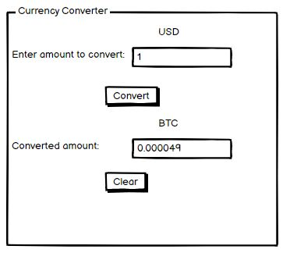
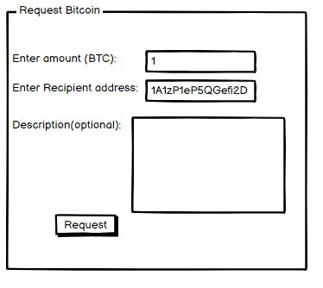
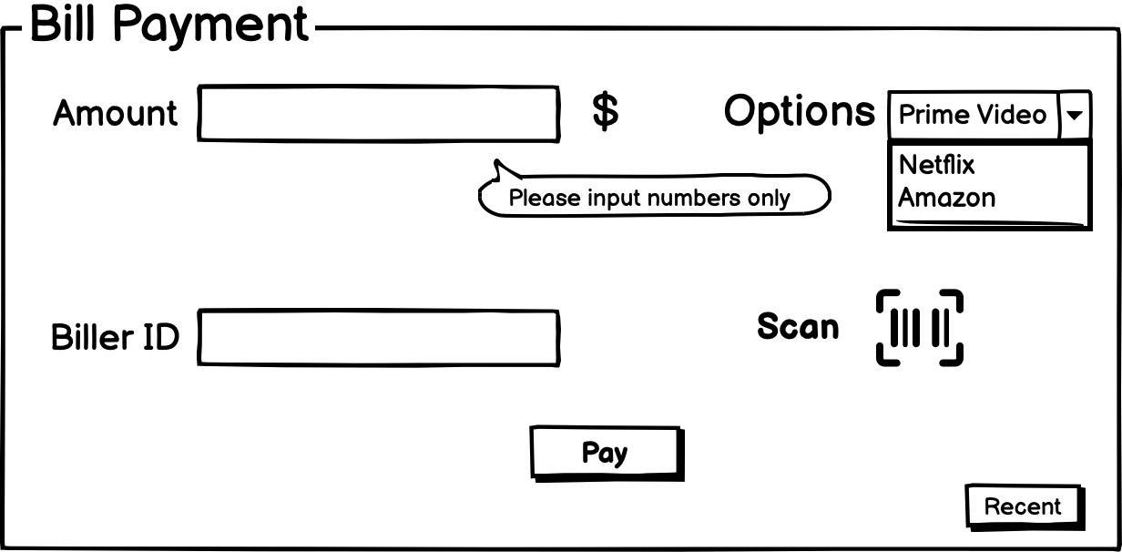
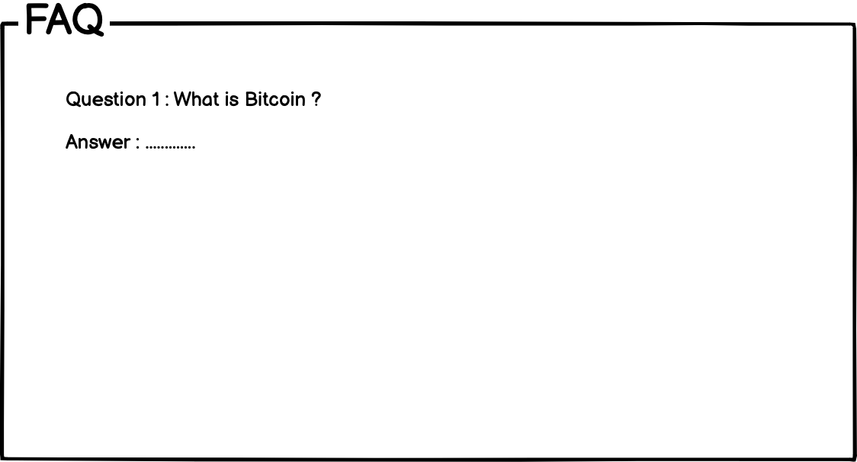
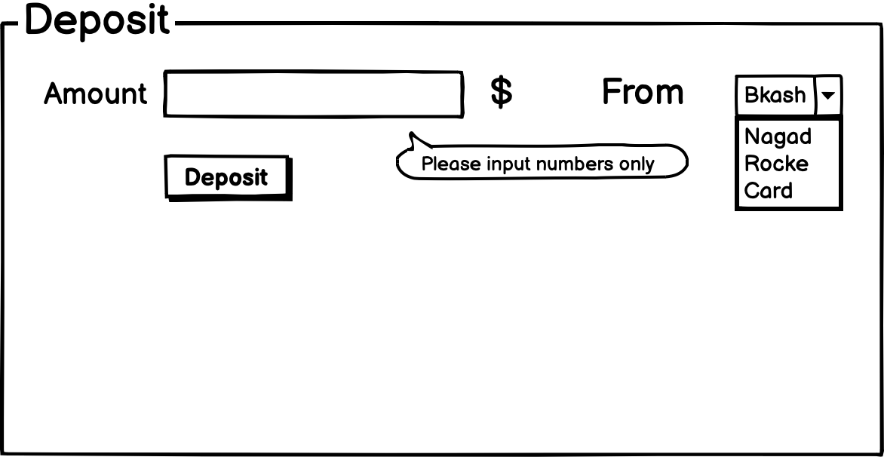
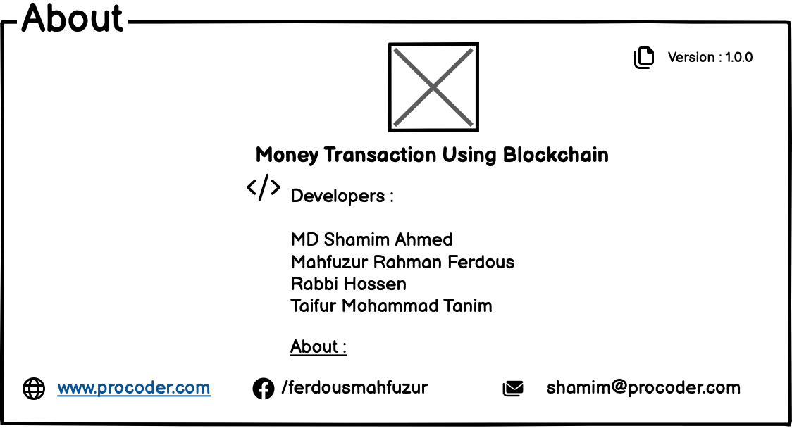
Product Requirement Document (PRD) - Version: 1.0

Template Name |  | AdConnect: An Integrated Advertisement Ecosystem
Goals & Objective |  | AdConnect is a comprehensive platform designed to integrate businesses, users, and administrators into a unified advertisement ecosystem. The goal of this platform is to provide an efficient, personalized, and interactive system for managing and engaging with advertisements. From this platform, users can: Businesses (Advertisers): -Create and manage targeted ad campaigns based on demographics, preferences, and location. -Monitor ad performance using real-time analytics, such as views, clicks, and feedback. -Interact with potential customers via a messaging system for inquiries. -Update business profiles and manage posted ads (edit, pause, or delete campaigns). Front Users (General Audience): -View personalized ads tailored to their interests and location. -Save favorite ads to a "Wishlist" for later review. -Search and filter ads by category, location, price, or popularity. -Provide feedback on ads through ratings or comments. -Update profile information and manage preferences for ad categories. Admins: -Review and approve ad postings to ensure platform compliance. -Oversee platform-wide analytics and generate trend reports. -Moderate flagged content and handle disputes between users and businesses. -Configure platform settings like ad categories and regional coverage.
Client Information
Product Type |  | Web Application
Domain |  | Web2
Access Layers |  | Businesses (Advertisers), Front Users (Viewers/General Users), Admins
Design Required |  | Yes

Phase | Item No | Specification [Role] | User Story | Acceptance Criteria | UI Screen / Wireframe | Tags
Feature: 1 |  | Auth Feature
phase 1 | 1 | Signup [Advertiser] [User] | - Enter Full name (input) - Enter unregistered email (input) - Enter password (input) [Logic: At least 8 characters long, atleast one special character] - Enter password again (input) [Logic: should match password input] - Choose user type [user,Advertiser] - Click Signup (button) [Logic: If the email is unique, user will be registered to the sysmem (databse)] - Signin (link) [Logic: redirect user to Login page] | - Email (input) field should only accept valid unregistered email address as input, otherwise will show an 'email already used' message. - Password (input) should be minimum 8 characters long. Otherwise show an invalid message. - Re-password (input) should match password. Otherwise show 'password do not match' message. - User type must be selected. Otherwise show 'Please select a user type'. - On clicking signup button, credential will be stored in database, user will be redirected to his dashboard. - A copy of the login information will be sent to his email. | 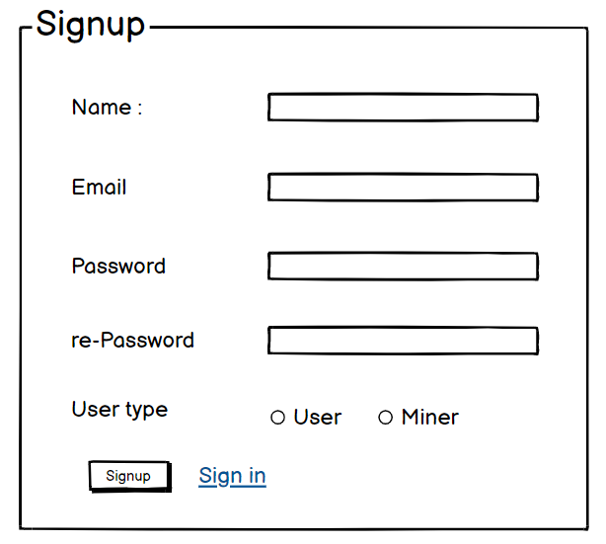 | signup
phase 1 | 2 | Signin [Advertiser] [User] | - Enter Email (input) - Enter password (input) - signin (button) - signup (link) - forgot password (link) | - Email must match database email - password must match database password - User go to dashboard (if email & password match with database) - User is promt with an error. "Email or password does not match!". (if email & password match with database) - clicking signup should take user to signup page - clicking forgot password should take him to forgot password page | 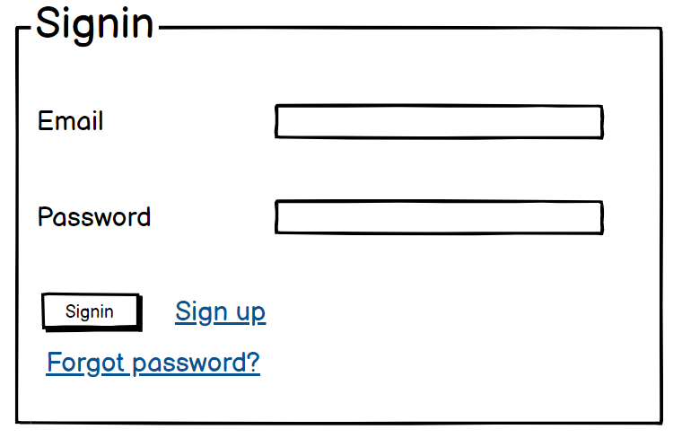 | signin
phase 1 | 3 | Forgot password[Advertiser] [User] | - Enter email (input) - Press send code (button) - Enter new password (input) - Re-type new password (input) - click on change passowrd to update password (button) | - email must match DB email or promt "No email found!" - pressing send code will print a message "code sent!" and the code can be found at user info row. - enter new password [At least 8 characters long, atleast one special character] - re-type new password [it should match new password] - clicking submit button will show user -> "password changed" if all info match criteria or it'll indicate what's wrong | 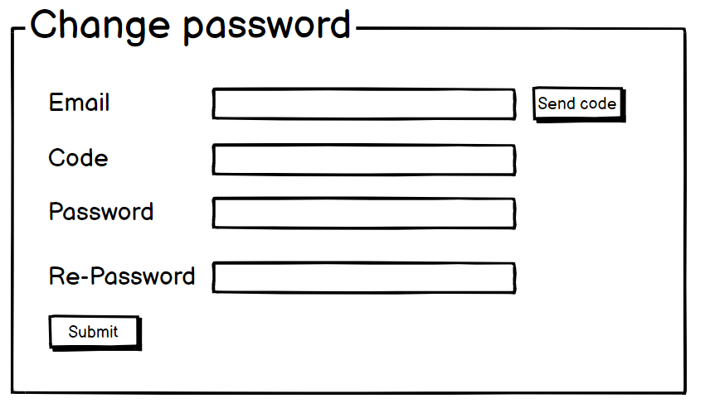 | forgot_password
Feature: 2 |  | Dashboard
phase 1 | 4 | Menu[Admin] | -Dashboard (link) -Manage Ads (link) -View Users (link) -Manage Users (link) -View Advertisers (link) -Manage Advertisers (link) -Ad Analytics (link) -System Settings (link) -Flagged Content (link) -Generate Reports (link) -Change Password (link) | -Clicking Dashboard will take the admin to an overview of platform -statistics, user activity, and ad performance. -Clicking Manage Ads will allow the admin to view, approve, or reject -pending ads, and manage flagged or reported ads. -Clicking View Users will display a list of all registered users and their details. -Clicking Manage Users will let the admin edit, deactivate, or delete user accounts as needed. -Clicking View Advertisers will display a list of all registered businesses/advertisers. -Clicking Manage Advertisers will allow the admin to review, deactivate, or update advertiser accounts. -Clicking Ad Analytics will show aggregated performance data of all ads on the platform, like total views and engagement rates. -Clicking System Settings will open a page where the admin can configure platform-wide settings like ad categories and notification preferences. -Clicking Flagged Content will take the admin to a page where they can review and resolve flagged ads or user activity. -Clicking Generate Reports will allow the admin to create detailed performance reports for specified time periods. -Clicking Change Password will open the password update page.
phase 1 | 5 | Menu [Advertiser] | -Dashboard (link) -Create Ad (link) -Manage Ads (link) -Ad Analytics (link) -View Profile (link) -Edit Profile (link) -Change Profile Photo (link) -Change Password (link) | -Clicking Dashboard will take the business user to their analytics dashboard. -Clicking Create Ad will navigate to the ad creation page. -Clicking Manage Ads will allow users to edit, pause, or delete existing ads. -Clicking Ad Analytics will show performance metrics of posted ads. -Clicking View Profile will display the user’s business profile. -Clicking Edit Profile will allow editing of business details. -Clicking Change Profile Photo will let the business update its profile image. -Clicking Change Password will navigate to the password update page. | 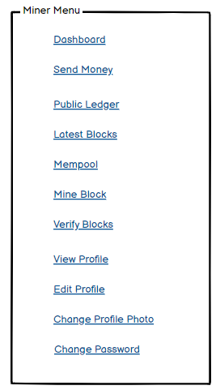 | Menu
phase 1 | 5 | Menu[User] | -Dashboard (link) -View Ads (link) -Wishlist (link) -Ad Categories (link) -Search Ads (link) -Feedback (link) -View Profile (link) -Edit Profile (link) -Change Profile Photo (link) -Change Password (link) | -Clicking Dashboard will take the user to the main dashboard page showing an overview of their activity and suggested ads. -Clicking View Ads will show personalized ads based on user preferences and location. -Clicking Wishlist will display the user’s saved ads for later reference. -Clicking Ad Categories will take the user to a categorized list of ads for easy navigation. -Clicking Search Ads will take the user to an advanced search page with filters like price, location, and category. -Clicking Feedback will open a page where the user can provide feedback or rate ads they have interacted with. -Clicking View Profile will take the user to their profile page. -Clicking Edit Profile will allow the user to modify their personal details, such as name and email. -Clicking Change Profile Photo will let the user update their profile picture. -Clicking Change Password will open the password update page. | 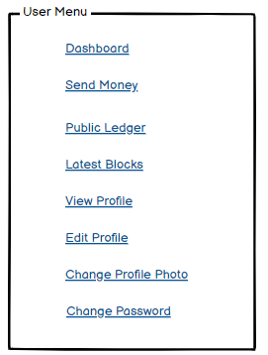
phase 1 | 6 | Dashboard [Admin] | -Total Ads (text) -Active Users (text) -Pending Ads (text) -Reported Ads (text) -Generate Reports (link) -System Notifications (text) | -Total Ads displays the total number of ads posted on the platform. -Active Users shows the current count of users actively using -the platform. -Pending Ads displays the number of ads awaiting admin approval. -Reported Ads shows the count of flagged ads requiring attention. -Clicking Generate Reports will take the admin to the reports generation page, where detailed analytics can be exported. -System Notifications displays recent alerts or updates about platform activities (e.g., flagged content, ad status changes).
phase 1 | 7 | Dashboard[User] | -Personalized Ads (text) -Saved Ads (link) -Recently Viewed Ads (link) -Active Preferences (text) -Notifications (text) | -Personalized Ads displays ads tailored to the user’s interests and browsing behavior. -Clicking Saved Ads will take the user to their wishlist, showing the ads they’ve saved for future reference. -Clicking Recently Viewed Ads will show a list of ads the user has recently interacted with. -Active Preferences shows the user’s selected preferences for ad targeting (e.g., location, category, price range). -Notifications displays updates and alerts about new ad recommendations, user activity, or platform announcements.
phase 1 | 8 | Dashboard[Advertiser] | -Total Ads (text) -Active Ads (text) -Pending Ads (text) -Ad Performance Overview (link) -Notifications (text) | -Total Ads displays the total number of ads created by the advertiser. -Active Ads shows the number of ads currently live on the platform. -Pending Ads displays the number of ads awaiting admin approval. -Clicking Ad Performance Overview will navigate to a page showing analytics such as impressions, clicks, and engagement rates for the advertiser’s ads. -Notifications displays recent updates related to the advertiser’s account, such as ad approval status or flagged ads. | 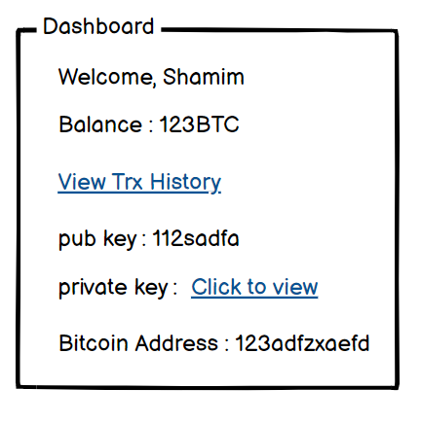
Feature: 3 |  | Top bar and Bottom Bar
phase 1 | 9 | Top bar | - clicking on logo will take user to dashboard - clicking on logout will logout user - clicking on username will take him to profile page | - logout should erase cookie and user should not be able to go to dashboard without login again | 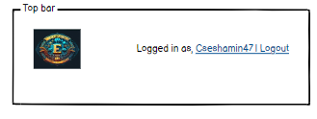
phase 1 | 10 | Bottom Bar | none | none | 
Feature: 4 |  | Manage Ads
phase 2 | 11 | Manage Ads [Admn] | -View Pending Ads (link) -Approve/Reject Ads (button) -Edit Ad Details (button) -View Ad Statistics (link) -Search Ads (input) -Filter Ads by Category (dropdown) -Delete Ads (button) | -Admin must review pending ads to ensure compliance with platform guidelines. -Admin must approve or reject each ad based on content, relevance, and adherence to rules. -Admin can edit any ad information, including title, description, pricing, and images. -Admin can view detailed ad performance statistics such as engagement, impressions, and CTR. -Admin can search for specific ads using keywords, ad titles, or unique identifiers. -Admin can filter ads by category to streamline the review and management process. -Admin can permanently delete any ad that violates platform rules or content guidelines. | 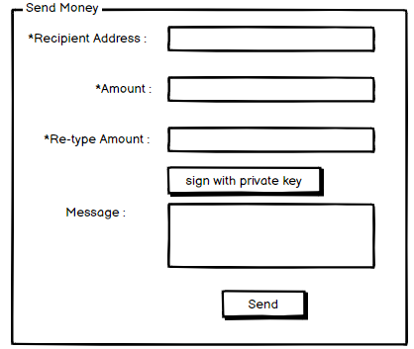
Feature: 5 |  | View Users
phase 2 | 12 | View Users [Admin] | -Active Users (section) -Inactive Users (section) -Search Users (input) -Filter Users by Location (dropdown) -Deactivate/Activate User Account (button) -Edit User Information (button) -View User Activity History (link) -Delete User Account (button) | -Upon entering the View Users page, Active Users and Inactive Users are displayed automatically in separate sections. -Admin can search for specific users by name, email, or user ID. -Admin must filter users based on location to manage regional interactions and performance. -Admin must deactivate or activate user accounts to maintain compliance with platform guidelines. -Admin can edit any user's information, including contact details, username, and account preferences. -Admin must access a user's activity history to analyze engagement patterns and interactions. -Admin can permanently delete any user account that violates platform terms and policies | 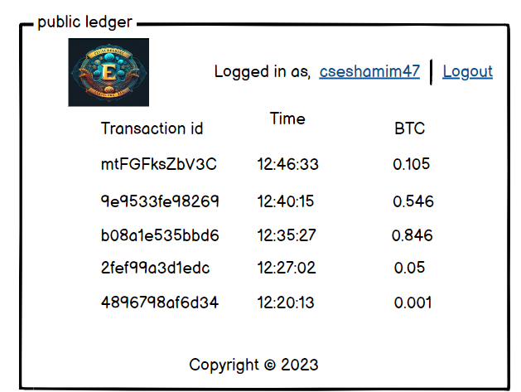
Feature: 6 |  | Manage Users
phase 2 | 11 | Manage Users [Admin] | View All Users (link) Activate/Deactivate User Account (button) Edit User Information (button) Assign Roles to Users (dropdown) Search Users (input) Filter Users by Status (dropdown) Ban User Account (button) Unban User Account (button) Delete User Account (button) | Admin must view a list of all registered users with their account status and relevant details. Admin must activate or deactivate user accounts to comply with platform policies and rules. Admin can modify any user's information, including email, name, username, and contact details. Admin must assign roles (e.g., user, advertiser, moderator) to define user permissions and access levels. Admin can search for specific users using unique identifiers, name, or email address. Admin must filter users based on account status (Active, Inactive, Suspended) to streamline management tasks. Admin can ban a user account temporarily or permanently for violations of platform terms. Admin must unban previously suspended accounts after proper review and validation. Admin can permanently delete any user account that breaches platform guidelines or policies. | 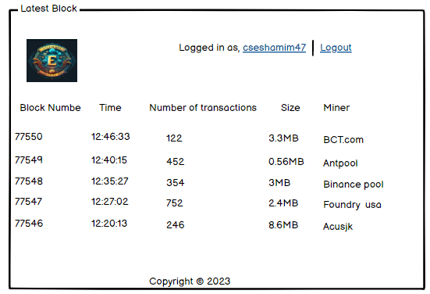
Feature: 7 |  | View Advertisers
phase 2 | 12 | View Advertisers [Admin] | View All Advertisers (link) Search Advertisers (input) Filter Advertisers by Category (dropdown) View Business Profile Details (link) Activate/Deactivate Advertiser Account (button) Edit Business Information (button) View Ad Campaigns (link) Assign Promotional Campaigns (button) Delete Advertiser Account (button) | Admin must view a list of all registered advertisers along with their business information and platform activity. Admin can search for specific advertisers using business name, contact information, or unique IDs. Admin must filter advertisers based on categories (e.g., fashion, technology, real estate) to manage interactions. Admin can access detailed business profiles to review company information, contact details, and branding assets. Admin must activate or deactivate advertiser accounts to maintain compliance with platform guidelines. Admin can modify business information, including company name, address, contact details, and description. Admin can view ongoing and past ad campaigns run by each advertiser to analyze performance and engagement. Admin can assign promotional campaigns and sponsorship opportunities to selected advertisers. Admin can permanently delete advertiser accounts that breach platform terms and policies. | 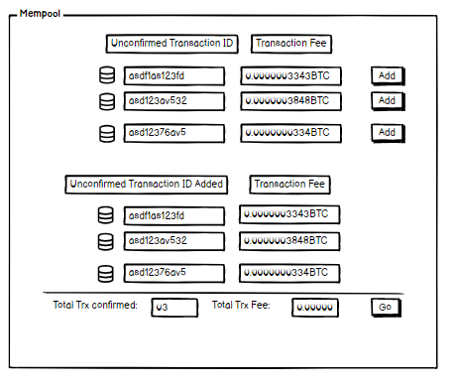
Feature: 8 |  | Manage Advertisers
phase 2 | 13 | Manage Advertisers [Admin] | View All Advertisers (link) Search Advertisers (input) Filter Advertisers by Category (dropdown) Activate/Deactivate Advertiser Account (button) Edit Business Information (button) Assign Ad Campaigns (button) View Ad Performance Analytics (link) Ban Advertiser Account (button) Unban Advertiser Account (button) Delete Advertiser Account (button)- prev hash(previous block hash) - hash(current hash with given data) - try mining with given nonce( button - it'll generate a hash with given nonce,blockno,data,prevhash and check if it's less than target) - mine (it'll try all possible nonce to find a hash which is less than target) | Admin must view a list of all registered advertisers, including their business profiles and activity status. Admin can search for specific advertisers by company name, contact details, or unique IDs. Admin must filter advertisers based on categories (e.g., tech, real estate, fashion) to streamline management. Admin must activate or deactivate advertiser accounts to ensure compliance with platform policies. Admin can modify any business information, such as company name, address, contact details, and branding. Admin must assign ad campaigns to selected advertisers, ensuring proper scheduling and placement. Admin can view detailed ad performance analytics, including metrics like impressions, clicks, and CTR. Admin must ban advertiser accounts temporarily or permanently in case of policy violations. Admin can unban previously suspended advertiser accounts after thorough review and validation. Admin can permanently delete advertiser accounts that violate platform guidelines or terms of service. | 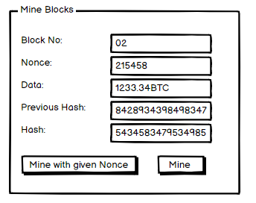
Feature: 9 |  | Ad Analytics
phase 2 | 14 | Ad Analytics [Admin] | - current block no(uneditable number) - nonce(uneditable text) - data(all transactions) - prev hash(uneditable previous block hash) - hash(current hash with given data) - miners can verify a mined block whether hash value meets the target condition or not - after verifying miner will confirm the block and if 51% miner confirm that the block does not contain any tampered data, then the block will be added to the chain - verify(button) - confirm(button) | Admin must view detailed performance metrics for each ad, including impressions, clicks, and click-through rate (CTR). Admin can filter ad analytics by date range to analyze campaign performance over specific periods. Admin can compare multiple ad campaigns to evaluate which ads are performing better. Admin can download the ad analytics data in report format for further analysis or sharing. | 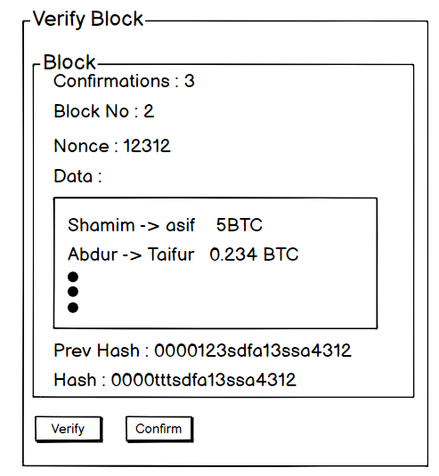
Feature: 10 |  | System Settings
phase 1 | 15 | System Settings [Admin] | View Current Settings (link) Modify Platform Settings (button) Set Ad Display Rules (input) Enable/Disable Features (button) Manage Payment Integration (link) Save Changes (button) | 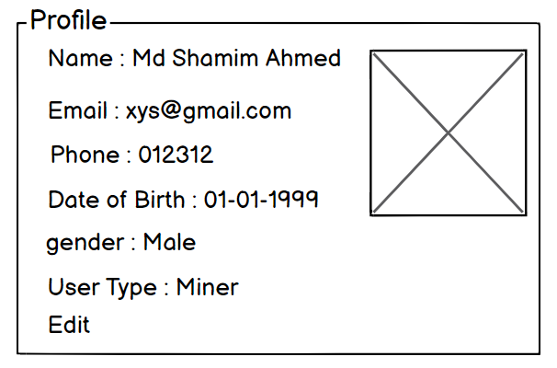 Admin must be able to view the current system settings related to platform functionality and ad display. Admin can modify platform settings, including ad display rules, notification settings, and other system preferences. Admin can set rules regarding the type of ads allowed on the platform (e.g., content restrictions, size limits). Admin can enable or disable specific platform features, such as ad targeting or user registration. Admin must manage payment integration settings for processing payments from advertisers. Admin can save any changes made to system settings to ensure they are applied correctly.
phase 1 | 16 | Edit Profile[miner][user] | - can edit name - can edit email - can edit phone - can edit date of birth - can edit gender - can click on save button | - No null values - email should be in correct format [xyz@abc.com] - phone number should be in correct format [11 digits] - date of birth should be in at least 15 years - clicking save button will either promt with an error if above rules do not meet or a promt notifying the user about successful change | 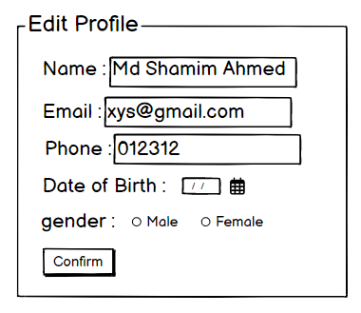
phase 1 | 17 | Change Profile Photo[miner][user] | - current image of user/miner is shown - user can choose new photo from device - after choosing new photo, user can confirm by pressing confirm button | - current image/ default image is shown - input file should be an image and not any other format [png,jpg format] - cofirm button should redirect user to view profile page | 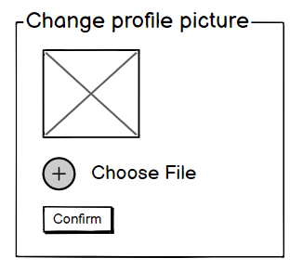
phase 1 | 18 | Change Password[miner][user] | - type current password - type new password - type new password again | - user can type current password [it should match database password] - Password (input) should be minimum 8 characters long. Otherwise show an invalid message. - Re-password (input) should match password. Otherwise show 'password do not match' message. - On clicking signup button, credential will be stored in database, user will be prompted with a message. [sucessfully changed / something went wrong] | 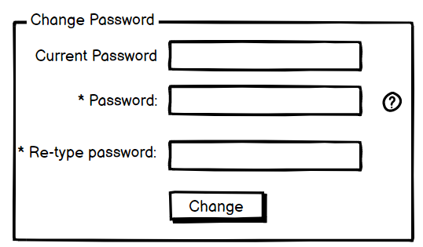
Feature: 11 |  | Flagged Content
phase 3 | 19 | Flagged Content [Admin] | View Flagged Ads/Content (link) Review Content (button) Approve/Reject Flagged Content (button) View Flagged Content Details (link) Delete Flagged Content (button) | Admin must view ads or content that have been flagged by users or automated systems for review. Admin must review flagged content to determine whether it violates platform guidelines. Admin can approve or reject flagged content based on the review outcome. Admin can access detailed information regarding flagged content, including the reason for flagging. Admin can permanently delete any flagged content that violates platform rules. | 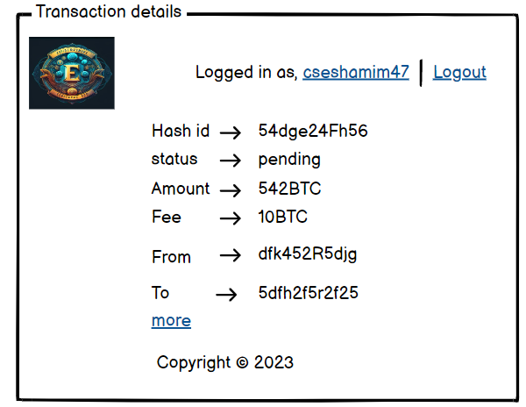
phase 3 | 20 | More[miner][user] | - user can see unique hash id - user can see trx status(pending/confirmed) - user can see the amount - user can see fee - user can see from where the money coming - user can see to where the money is going - trx Time is shown - age of the trx is shown - input and input vlaue is shown - output and output value is shown - fee is shown - size of the trx also can be seen | - hash id must be unque - trx status must be set - amount should be number and positive value - fee should be a number - the address of sender must be shown - the address of receiver is also shown - trx time : when the trx happened is set to see - age = current time - trx time - input (integer number) & input value(decimal) - output (integer number) & output value(decimal) - fee must be set - size of trx in bytes | 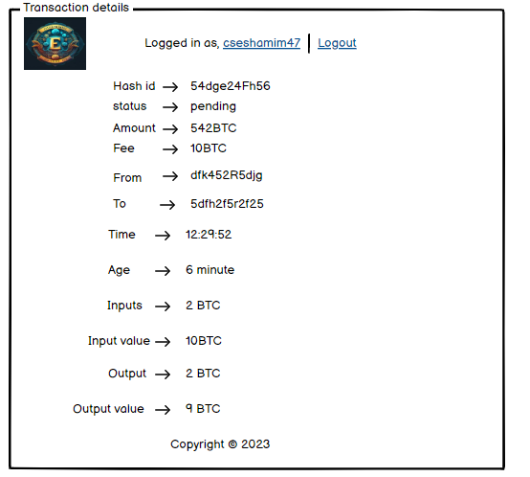
Feature: 12 |  | Generate Reports
phase 3 | 21 | Generate Reports [Admin] | Select Report Type (dropdown) Set Report Parameters (input) Generate Report (button) Download Report (button) | Admin can select the type of report they wish to generate (e.g., ad performance, user activity, revenue). Admin must set parameters for the report, including date range, user segment, or ad categories. Admin can generate the report based on the selected type and parameters. Admin can download the generated report in formats such as CSV or PDF for further analysis. | 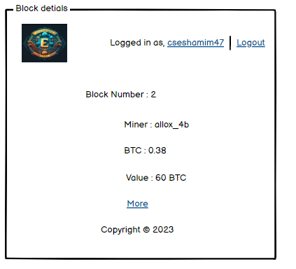
phase 3 | 22 | More[miner][user] | - Block number - miner name - block BTC(sum of all trx) - value(BTC in dollar) - distance(mins since mined) - depth(number of blocks that have been added after this block+1) - trx(number of transactions) - input(number of inputs) - output(number of outputs) - fees(total fees generated to verify all transaction) - Reward(block reward. currently 6.5 btc) - Nonce(number) - size (mb) | Everything should be valid & verified | 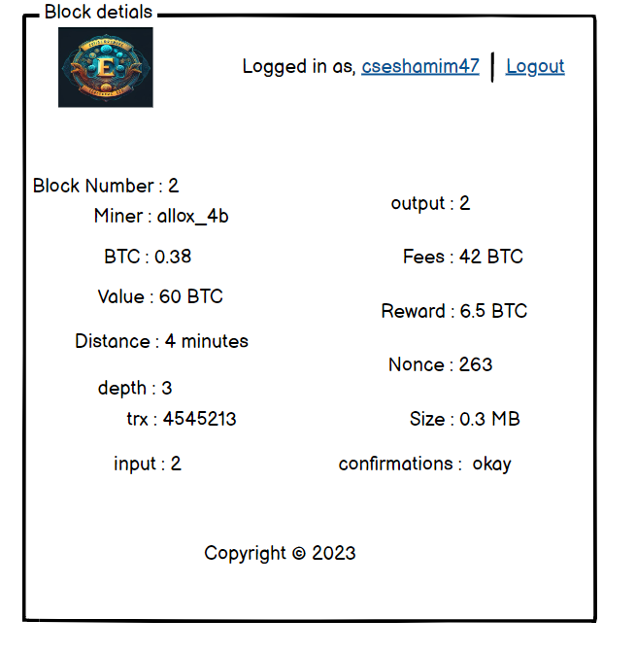
Feature: 13 |  | Change Password
phase 3 | 23 | Change Password [Admin] | Enter Current Password (input) Enter New Password (input) Re-enter New Password (input) Click Save Changes (button) | Admin must enter their current password to verify identity before making any changes. Admin must provide a new password that meets platform security requirements (e.g., length, complexity). Admin must re-enter the new password to confirm it matches. Admin must click the Save Changes button to update the password. Admin must be notified if the password change is successful or if there are any errors (e.g., passwords do not match).
Feature: 14 |  | Fllowed User
phase 3 | 24 | View All Followed User | - All the followed user should visible over here. | - All the followed user should visible over here if user follow them. | 
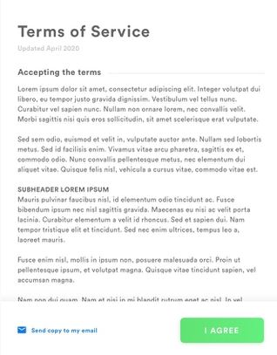
Feature: 15 |  | Legal Agreement Feature
phase 3 | 25 | View Terms and Condition | - All the term and condition should visible over here. | - The user should be presented with a clear and concise summary of the terms and conditions before agreeing to them.
Feature: 16 |  | Transaction History
phase 3 | 26 | Transaction History | -Select Date for the time period you want to see -type current password to verify | -user’s can input the time period - user can type current password to make changes [it should match database password] - Password (input) should be minimum 8 characters long. Otherwise show an invalid message. - On clicking last five transaction it will show the recent 5 transactions - On clicking Transactions show the transactions of the time period - On clicking download statement all transactions will be written in a text file | 